Sheet1
 | Document No. |  | Issue No. | Issue Date |  | Review and Replace Date |  |  | Authorised By
 | GFF565MC |  | 2 | 17.06.2026 |  | 01.07.2026
 | Document Title |  | PANANG WITH FRAGRANT RICE 400G- Lean
 |  |  |  |  |  |  |  |  | Magda Shah
Document amendments reason for change | Shelf Life Updated |  | Page 1 of 1 |  | Previous Issue Date |  | 17.06.2026 |  | Uncontrolled copy unless signed original

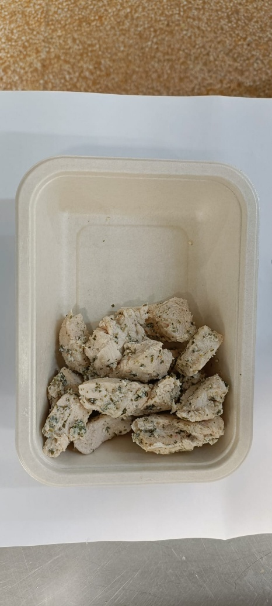
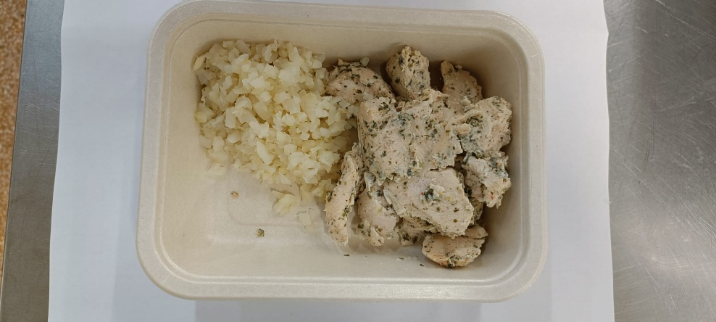
CCPANR2-1R20TSE |  | SIMMER | PANANG WITH FRAGRANT RICE 400G- Lean
STEP 1 |  |  | STEP 2 |  |  |  |  | STEP 3
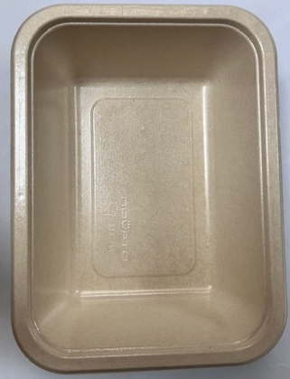

Tray: B187/45 Cuisine Kraft Tray- (PKNOV001-02) |  |  | Coriander Marinated Chicken - (Simmer) GFF560R: 145g |  |  |  |  | Steamed Cauliflower Minced - (Simmer) GFF561R: 45g
Film: K-Peel EIPS N 45 (250mmX1000)-PKKMP001-09
STEP 4 |  |  | STEP 5 |  |  |  |  | STEP 6
New Recipe
New Recipe
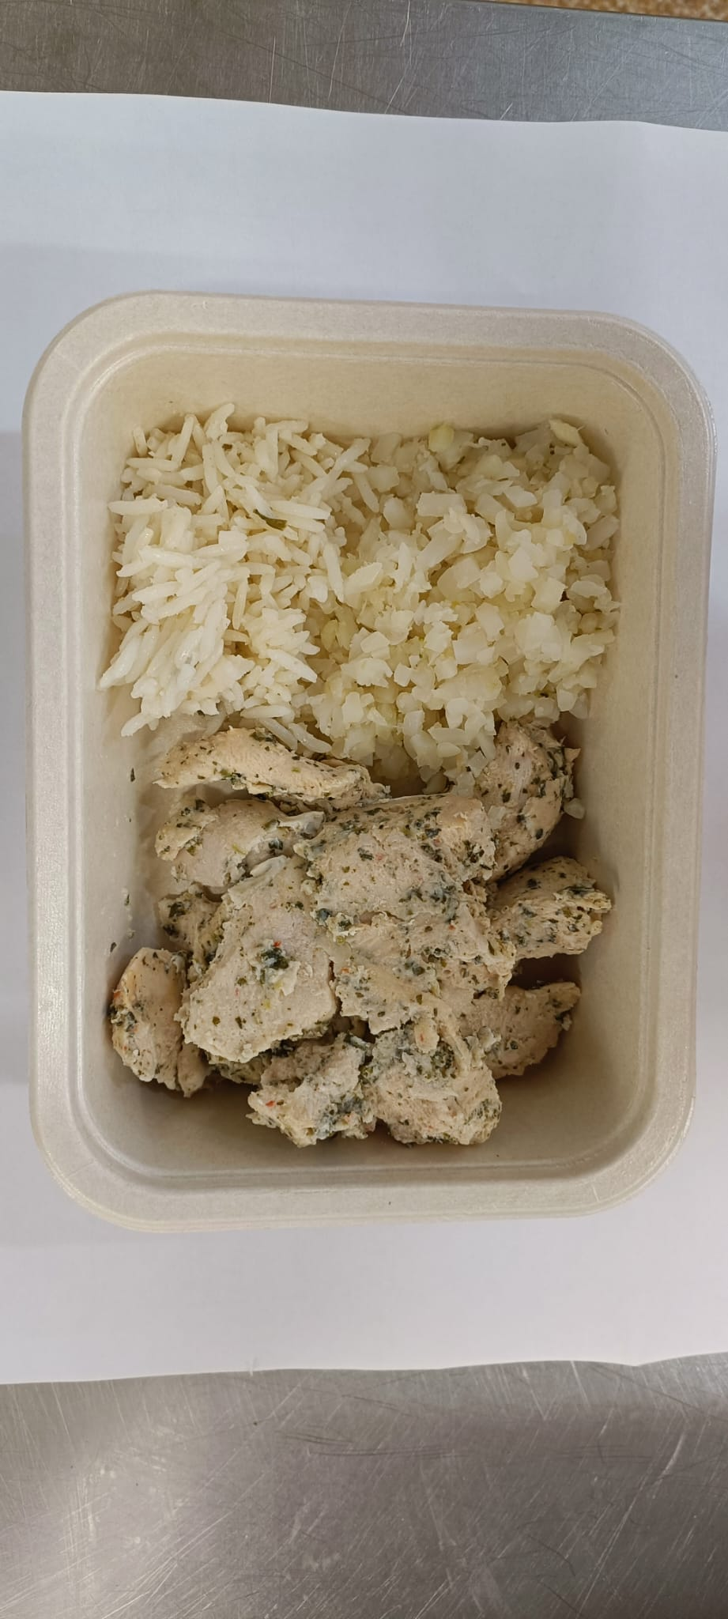 |  |  | 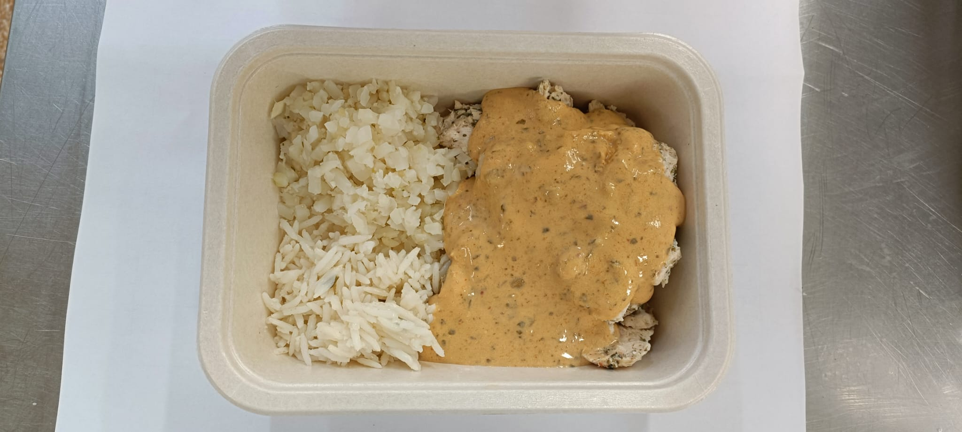 |  |  |  |  | 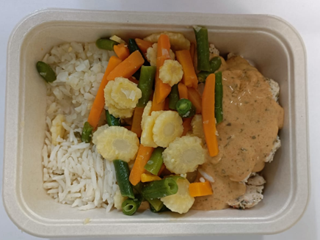
Fragrant Rice -(Simmer) -GFF565R: 30g |  |  | Panang Sauce (Simmer) GFF562R : 70g |  |  |  |  | Steamed Mixed Veg-(Simmer)- GFF563R: 110g
Total Weight 400g- Lean Product
ALLERGY ALERT: Barley,Crustacean, Wheat, Soya, Fish, Sesame

